Lab 1
Chemical Inventory

Chemical Name | Photo | CAS no. | Liq/solid | Quantity | Date added | Expiry date | Hazard category | SDS | COSHH Y/N
creatine monohydrate |  | 6020-87-7 | solid | 100g |  |  |  | Safety Data Sheet (sigmaaldrich.com)
cis-Diamineplatinum(II) dichloride |  | 15663-27-1 | solid | 1g | opened 08/2021 | 2026-08-31 |  | Safety Data Sheet (sigmaaldrich.com)
Menadione sodium bisulfite | 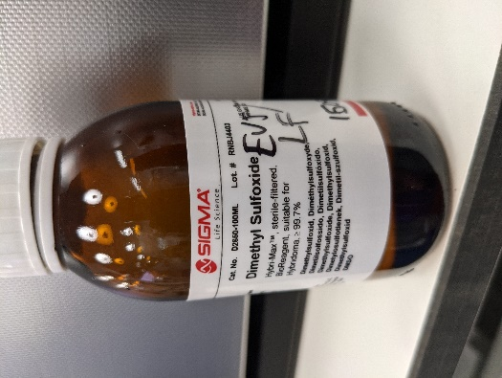 | 130-37-0 | solid | 100g |  |  |  | Safety Data Sheet (sigmaaldrich.com)
16% Formaldehyde, Methanol-Free |  | 50-00-0 |  |  |  |  |  | 12606-sds-EGHS-EN-20170829151315000.pdf (cellsignal.com)

 |  |  |  |  |  |  | chemical expiring in next 30 days

 |  |  |  |  |  |  | chemical expired

Lab 2
Chemical Inventory

Chemical Name | Photo | CAS no. | Liq/solid | Quantity | Date added | Expiry date | Hazard category | SDS | COSHH Y/N
On shelves
IVISbrite D-Luciferin Potassium Salt | 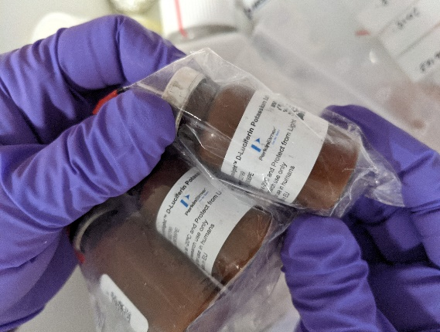 |  |  |  |  | 2021-10-01 |  | SDS_122799_US_EN.pdf (perkinelmer.com)
(-) -Isoproterenol hydrochloride | 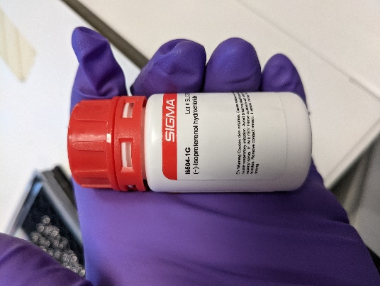 | 5984-95-2 | solid | 1g |  |  |  | Safety Data Sheet (sigmaaldrich.com)
autoMACS washing solutions | 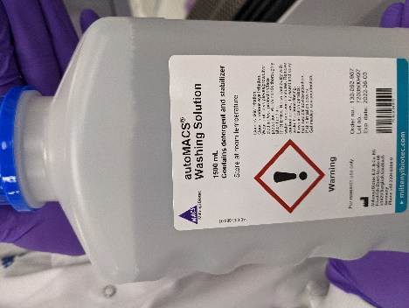 |  | Liq |  |  | 2022-06-03
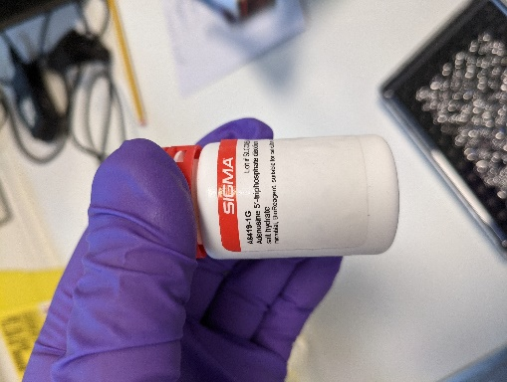
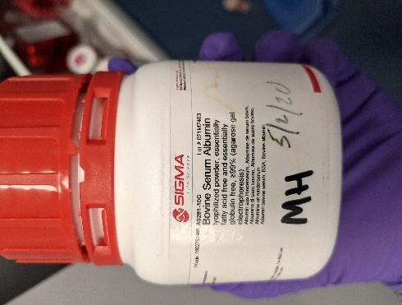
Fridge
sodium selenite | 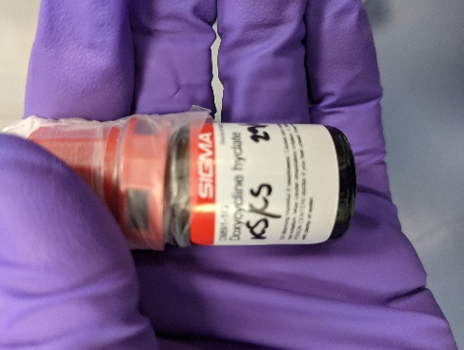 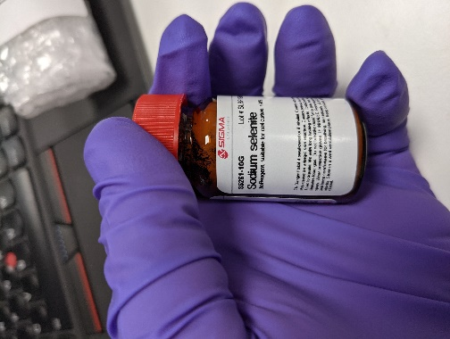 | 10102-18-8 |  | 10g |  |  |  | Safety Data Sheet (sigmaaldrich.com)
oleic acid | 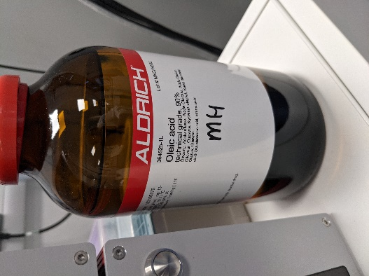 | 112-80-1 |  | 1l |  |  |  | Safety Data Sheet (sigmaaldrich.com)
oil red O solution |  | 1320-06-5 |  | 250ml |  |  |  | Safety Data Sheet (sigmaaldrich.com)
cupboard
vandetanib |  | 443913-73-3 |  | 1g |  |  |  | Safety Data Sheet (sigmaaldrich.com)

 |  |  |  |  |  |  | chemical expiring in next 30 days

 |  |  |  |  |  |  | chemical expired

